Git cheat sheet
DOCKER IN ACTION BOOK | https://github.com/dockerinaction
for CLI documentation | docker help , docker help <command>
for online docs | https://docs.docker.com/engine/reference/run/
2.1 containers
CTRL P Q | detach from the shell of a running container (does not close the container like CTRL C )

name a container run detached | docker run --detach --name web nginx:latest docker run -d --name mailer dockerinaction/ch2_mailer

link your container (web_test) to another container (web) start sh in your container | docker run -it --link web:web --name web_test busybox:1.29 /bin/sh | --link containerName:alias
link your container to 2 other containers | docker run -it --name agent --link web:insideweb --link mailer:insidemailer dockerinaction/ch2_agent

other useful | docker images , docker ps / containers ls , docker restart , docker stop , docker kill , docker logs
list all containers (not running included) | docker ps -a
The docker create command is similar to docker run, the difference is that the container is created in a stopped state | docker create nginx
pull an image | docker pull <image-name>

2.2 pid namespace
docker solves a common real world problem by isolating ports and namespaces
Without a PID namespace, the processes running inside a container would share the same ID space as those in other containers or on the host | docker run -d --name namespaceA busybox:1.29 /bin/sh -c "sleep 30000"
use docker exec to run additional processes in a container | docker exec namespaceA ps
if using a program to perform a system administration task that requires process enumeration from within a container you can create containers without their pid namespace by setting the --pid flag on docker create or docker run and setting the value to host. | docker run --pid host busybox:1.29 ps

rename a container | docker run -d --name webid nginx docker rename webid webid-old
2.3 variables
to get the numeric ID of a container, start or create a new one and assign the result of the command to a shell variable | CID=$(docker create nginx:latest) echo $CID
if multiple users need this variable, put it in a file | docker create --cidfile /tmp/web.cid nginx cat /tmp/web.cid (views the file content) | to use multiple files, use different paths /containers/web/customer1/web.cid /containers/web/customer2/web.cid
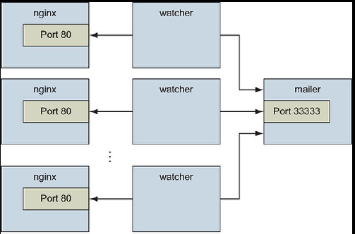
the complete example so far with variables in a script | MAILER_CID=$(docker run -d dockerinaction/ch2_mailer) WEB_CID=$(docker run -d nginx:latest) AGENT_CID=$(docker run -d --link $WEB_CID:insideweb --link $MAILER_CID:insidemailer dockerinaction/ch2_agent) | scaling problem…

2.4 read-only, env vars
By using a read-only filesystem and linking WordPress to another container running a database, you can be sure that the container running the WordPress image will never change.
using --read-only flag | docker -run -d --name wp --read-only wordpress:5.0.0-php7.2-apache
check if a specific container is running | docker inspect --format "{{.State.Running}}" wp
 | docker run -d --name wp_writable wordpress:5.0.0-php7.2-apache
compare to a writable container | docker container diff wp_writable
make an exception to the read-only file system allow the container to write to /run/apache2 supply a temp file system to the contianer at /tmp | docker run -d -name wp2 --read-only -v /run/apache2/ --tmpfs /tmp wordpress:5.0.0-php7.2-apache
setting env var | docker run -d --name wpdb -e MYSQL_ROOT_PASSWORD=ch2demo mysql:5.7
direct traffic from host port 8000 to container port 80 | docker run -d name wp3 --link wpdb:mysql -p 8000:80 --read-only -v /run/apache2/ --tmpfs /tmp wordpress:5.0.0-php7.2-apache
do it all in one script | #!/bin/sh DB_CID=$(docker create -e MYSQL_ROOT_PASSWORD=ch2demo mysql:5.7) docker start $DB_CID MAILER_CID=$(docker create dockerinaction/ch2_mailer) docker start $MAILER_CID WP_CID=$(docker create --link $DB_CID:mysql -p 80 --read-only -v /run/apache2/ --tmpfs /tmp wordpress:5.0.0-php7.2-apache) docker start $WP_CID AGENT_CID=$(docker create --link $WP_CID:insideweb --link $MAILER_CID:insidemailer dockerinaction/ch2_agent) docker start $AGENT_CID | 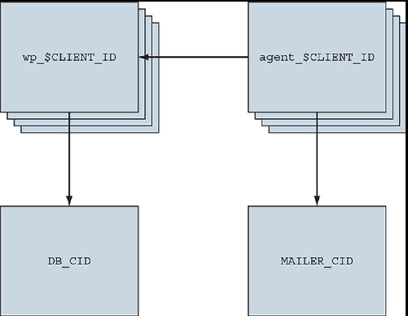
this design has two problems. First, the database is running in a container on the same computer as the WordPress container. Second, WordPress is using several default values for important settings such as database name, administrative user, administrative password, database salt, and so on. a better way is by using environment variables .
--env or -e to set environment variables | docker create --env WORDPRESS_DB_HOST=dbname --e WORDRDPRESS_DB_USER=dbuser -e WORDPRESS_DB_PASSWORD=dbpw wordpress:5.0.0-php7.2-apache

do it in a script with env vars
start database and mailer containers that will be shared by our clients and store the container IDs in environment variables: | export DB_CID=$(docker run -d -e MYSQL_ROOT_PASSWORD=ch2demo mysql:5.7) export MAILER_CID=$(docker run -d dockerinaction/ch2_mailer)
client site provisioning script to read the database container ID, mailer container ID, and a new CLIENT_ID from environment variables: | #!/bin/sh if [ ! -n "$CLIENT_ID" ]; then echo "Client ID not set" exit 1 fi WP_CID=$(docker create --link $DB_CID:mysql --name wp_$CLIENT_ID -p 80 --read-only -v /run/apache2/ --tmpfs /tmp -e WORDPRESS_DB_NAME=$CLIENT_ID --read-only wordpress:5.0.0-php7.2-apache) docker start $WP_CID AGENT_CID=$(docker create --name agent_$CLIENT_ID --link $WP_CID:insideweb --link $MAILER_CID:insidemailer dockerinaction/ch2_agent) docker start $AGENT_CID
start an instance of WordPress and the monitoring agent for each customer and connect those containers to each other as well as a single mailer program and MySQL database. | CLIENT_ID=dockerinaction ./start-wp-multiple-clients.sh

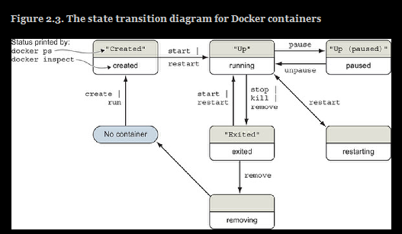
2.5 building durable containers with restart |  | state diagram of container lifecycle
init systems restart processes when they fail. It's common practice to use them inside containers. Some popular ones are | supervisord, runit, Yelp/dumb-init, tini, tianon/gosu
 | docker run -d -p 80:80 --name lamp-test tutum/lamp
 | docker top lamp-test
get the PIDs in the container's namespace | docker exec lamp-test ps
kill a process inside the container (init system restarts it) | docker exec lamp-test kill <PID>

entrypoint is the program to execute once the container starts it can be used for code that validates the preconditions of a container. If the entrypoint is not set, the default command will be executed directly if the entrypoint is set, the default command and its args will be passed to the entrypoint as args | docker run --entrypoint="cat" wordpress:5.0.0-php7.2-apache /usr/local/bin/docker-entrypoint.sh
you can reset a container's entry point with an empty string | docker run -it --entrypoint="" mysql bash

2.5 Clean up
stop all containers remove all containers | docker stop $(docker ps -a -q) docker rm $(docker ps -a -q)
you should use docker kill or docker rm -f only if you must stop the container in less than the standard 30-second maximum stop time.
force remove without having to stop | docker rm -vf $(docker ps -a -q)
kill all containers | docker container kill $(docker ps -q)
working with short lived containers that you do not want running after you use them, use --rm | docker run --rm --name auto-exit-test busybox:1.29 echo Hello World
remove image (optional force) | docker rmi -f <image-name>
remove all images | docker rmi $(docker images)
remove all volumes | docker volume remove $(docker volume list)

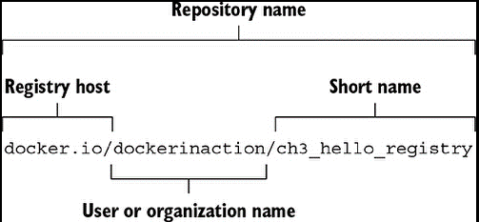
Ch 3 |  | docker image name
login, logout to/from docker hub | docker login -u <dockerId-not-email> -p <pw>, docker logout
using an alternate registry | docker login [OPTIONS] [SERVER]
to pull from an alternate registry, use the full name of the image | docker pull quay.io/dockerinaction/ch3_hello_registry:latest
search a dockerhub user's registry content | docker search <username>

saving an image to a file docker save creates .tar files | docker pull busybox:latest docker save -o myfile.tar busybox:latest
load the docker image from a (tar) file | docker load -i myfile.tar

working with a Dockerfile in a repo, clone, build & tag | git clone https://github.com/dockerinaction/ch3_dockerfile.git docker build -t dia_ch3/dockerfile:latest ch3_dockerfile docker build -t <docker-image-to-create> <Dockerfile>

Ch4
Bind mounts | Bind mounts are useful when the host provides a file or directory that is needed by a program running in a container, or when that containerized program produces a file or log that is processed by users or programs running outside containers.

src : source location on the host file tree dst: the destination location on the container file tree. With bind mount, dst in the image is overridden by src on the host | CONF_SRC=~/example.conf; CONF_DST=/etc/nginx/conf.d/default.conf; LOG_SRC=~/example.log; LOG_DST=/var/log/nginx/custom.host.access.log; docker run -d --name diaweb --mount type=bind,src=${CONF_SRC},dst=${CONF_DST} --mount type=bind,src=${LOG_SRC},dst=${LOG_DST} -p 80:80 nginx:latest
By creating the read-only mount, you can prevent any process inside the container from modifying the content of the volume | docker run -d --name diaweb --mount type=bind,src=${LOCAL_SRC},dst=${IMG_DST},readonly=true --mount type=bind,src=${LOCAL_SRC},dst=${IMG_DST} -p 80:80 nginx:latest
2 problems with bind mounts | If a container description depends on content at a specific location on the host filesystem, that description isn’t portable to other hosts. They may clash with other containers on the host

In-memory storage
creates an empty tmpfs device and attaches it to the new container’s file tree at /tmp. Any files created under this file tree will be written to memory instead of disk. More than that, the mount point is created with sensible defaults for generic workloads. | size limit and readonly(1770) are optional docker run --rm --mount type=tmpfs,tmpfs-size=16k,tmpfs-mode=1770,dst=/tmp --entrypoint mount alpine:latest -v
the limitation of in-memory storage is not being able to share storage between containers

Docker volumes | A Volume is a named bit of disk that can be accessed by containers Using volumes is a method of decoupling storage from specialized locations on the filesystem that you might specify with bind mounts. Images are appropriate for packaging and distributing relatively static files such as programs; volumes hold dynamic data or specializations.

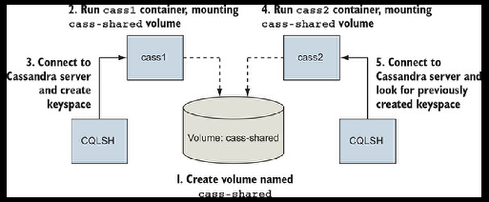
create a volume with key-value: example-location and name location-example | docker volume create --driver local --label example=location location-example
inspect a volume | docker volume inspect --format "{{json .Mountpoints}}" location-example

example exercise : | use the official Cassandra image to create a single-node Cassandra cluster, create a keyspace, delete the container, and then recover that keyspace on a new node in another container.
create a shared volume | docker volume create --driver local --label example=cassandra cass-shared
mount the volume cass-shared into the container1 | docker run -d --volume cass-shared:/var/lib/cassandra/data --name cass1 cassandra:2.2
start a container from cassandra:2.2 image but run a client tool to connect to the running server | docker run -it --rm --link cass1:cass cassandra:2.2 cqlsh cass

example of bind-mount vs volumes
set a localtion on the host bind-mount the location to the log-writing container bind-mount the location to the reading container view the log from the host | LOG_SRC=~/web-logs-example mkdir ${LOG_SRC} docker run --name plath -d --mount type=bind,src=${LOG_SRC},dst=/data dockerinaction/ch4_writer_a docker run --rm --mount type=bind,src=${LOG_SRC},dst=/data alpine:latest head /data/logA cat ${LOG_SRC}/logA docker rm -f plath
 | Unlike shares based on bind mounts, named volumes enable containers to share files without any knowledge of the underlying host filesystem.
setup a named volume mount the volume to the log-writing container mount the volume to the reading container fail to view the log from the host (doesn't exist) | docker volume create --driver local logging-example docker run --name plath -d --mount type=volume,src=logging-example,dst=/data dockerinaction/ch4_writer_a docker run --rm --mount type=volume,src=logging-example,dst=/data alpine:latest head /data/logA cat "$(docker volume inspect --format "{{json .Mountpoint}}" logging-example)"/logA docker stop plath

 | problem with volumes: if other containers depend on the same volume name, they will clash
Anonymous Volumes | An anonymous volume is created without a name either before use with the docker volume create subcommand, or just in time with defaults using a docker run or docker create command.
--volumes-from is used to copy mount definitions from one or more containers into the new container combine this with the "anonymous" volume creation during docker run or create commands, and you have anonymous volumes here reader copies al mount points from fowler and knuth note that volumes are aggregated; if you create another container with volumes from reader, it will inherit knut hand fowler volumes | docker run --name fowler --mount type=volume,dst=/library/PoEAA --mount type=bind,src=/tmp,dst=/library/DSL alpine:latest echo "Fowler collection created." docker run --name knuth --mount type=volume,dst=/library/TAoCP.vol1 --mount type=volume,dst=/library/TAoCP.vol2 --mount type=volume,dst=/library/TAoCP.vol3 --mount type=volume,dst=/library/TAoCP.vol4.a alpine:latest echo "Knuth collection created" docker run --name reader --volumes-from fowler --volumes-from knuth alpine:latest ls -l /library/ docker inspect --format "{{json .Mounts}}" reader

list all volumes | docker volume list
remove a volume | docker volume remo <name>

Volume plugins | challenge with volumes: the data that is stored in volumes stays on the disk, if a container is moved to a different machine it loses access to the volume
 | look into vendor offerings, dockerhub, rex-ray

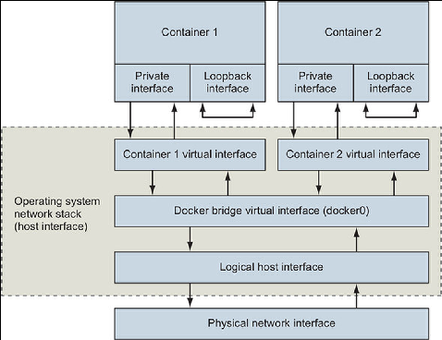
Ch 5 networks |  | docker network topology
show networks | docker network ls
 | docker provides 3 default networks bridge: connectivity for all containers on the machine host: instructs Docker to to create any special networking namespace or resource for this none: null. Containers attached to the none network will not have any network connectivity
 | a network can have 3 kinds of scope: local: network constrained to the machine global: network should be created on every node in a cluster but not route between them swarm: network spans all hosts in a Docker swarm
create a custom network driver is used to define the custom network type allows to attach or detach containers custom subnet and ip range range from .128 to .255 | docker network create --driver bridge --label project=dockerinaction --label chapter=5 --attachable --scope local --subnet 10.0.42.0/24 --ip-range 10.0.42.128/25 user-network
run a container on custom network get a list of the ipv4 addresses available in the container | docker run -it --network user-network --name network-explorer alpine:3.8 sh ip -f inet -4 -o addr you get the loopback interface / localhost / lo and eth0 which is the custom network we created An Ethernet interface is what you’re likely most familiar with. It’s used to connect to other interfaces and processes. A loopback interface / localhost isn’t connected to any other interface. It is to use network protocols to communicate with other programs on the same computer.
run a container on bridge network | docker run --rm --network bridge alpine:3.8 ip -o addr
run a container on the host network these containers can access host services (through localhost) and bind to any of the host network interfaces | docker run --rm --network host alpine:3.8 ip -o addr
run a container purely isolated | docker run --rm --network none alpine:3.8 ip -o addr

node port publishing | forwarding network traffic betweet host and container ports

define host 8080:8080, or get any-host port by leaving it 8080 8080:8080/tcp 0.0.0.0:8080:8080/tcp | docker run --rm -p 8080 alpine:3.8 echo "forward ephemeral TCP -> container TCP 8080" docker run --rm -p 8080:8080/udp alpine:3.8 echo "host UDP 8080 -> container UDP 8080" docker run --rm -p 127.0.0.1:8080:8080/tcp -p 127.0.0.1.3000:3000/tcp alpine:3.8 echo "forward multiple TC ports from localhost"

finding out which host port the container is using | docker run -d -p 8080 -p 3000 -p 7500 --name listener alpine:3.8 sleep 300 docker port listener docker port listener 3000

defining host name for a container refer to ch5 for dns configurations
creates a new container with the hostname barker, runs nslookup to look up the ip address for the hostname you can look up all hosts at /etc/hosts | docker run --rm --hostname barker alpine:3.8 nslookup barker cat /etc/hosts

ch6 resource limits, skim read
user config
display the run-as user of an image | docker image pull busybox:1.29 docker inspect --format "{{.Config.User}}" busybox:1.29 or docker inspect -f | grep "User"
look up the default user | docker run --rm --entrypoint "" busybox:1.29 whoami docker run --rm --entrypoint "" busybox:1.29 id
look up all available users in an image | docker run --rm busybox:1.29 awk -F: '$0=$1" etc/passwd
run the container as a specified user user:group uid_gid | docker run --rm --user nobody busybox:1.29 id docker run --rm -u nobody:nogroup busybox:1.29 id docker run --rm -u 10000:20000 busybox:1.29 id

map a host file to an image and run it as a user | echo "e=mc^2" > garbage chmod 600 garbage (readonly by owner) sudo chown root garbage (owned by root) docker run --rm -v "$(pwd)"/garbage:/garbage -u root ubuntu:16.04 cat /garbage

running a container with full priviledges check ids check linux capabilities check mounted devices check network config | docker run --rm --privileged ubuntu:16.04 \ id \ capsh --print \ ls /dev \ networkctl

PACKAGING SOFTWARE
Ch7
key idea: in order to create an image, you have to have a container running and commit the container to the image. Later you discard the container used in image creation

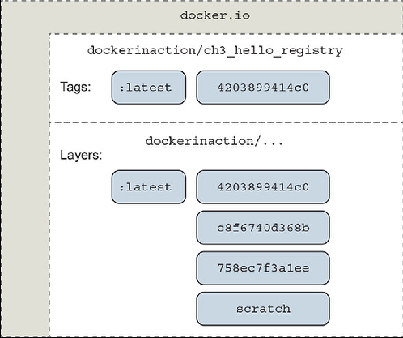
modify a file in a container create an image from a modified container by committing the cont to the img discard the container used in img creation, and check the new image | docker run --name hw_container ubuntu:latest touch /HelloWorld docker commit hw_container hw_image docker rm -vf hw_container docker run --rm hw_image ls -l /HelloWorld

git example exit the shell show filesystem changes | docker run -it --name image-dev ubuntu:latest /bin/bash apt-get update apt-get -y install git exit docker diff image-dev
commit a container to an image, author signature and commit message test it | docker commit -a "@dockerinaction" -m "Added git" image-dev ubuntu-git docker run --rm ubuntu-git git version
nothing happens because there is not entrypoint for the image! | docker run --rm ubuntu-git

to set an entrypoint, create a new container with entrypoint flag set
set entrypoint commit the container (with entrypoint) to a new image with the same name discard container used in image modification run a new container with the same new from the updated image | docker run --name cmd-git --entrypoint git ubuntu-git docker commit -a "@dockerinaction" -m "Set CMD git" cmd-git ubuntu-git docker rm -vf cmd-git docker run --name cmd-git ubuntu-git version

another example with env vars and entry points, forming 2 layers
create environment variables in the container create an image echo out the environment variables create entrypoint "/bin/sh" so that it comes as default overwrite the image test | docker run --name rich-image-example -e ENV_EXAMPLE1=Rich -e ENV_EXAMPLE2=Ex busybox:latest docker commit rich-image-example rie-image docker run -rm rie-image /bin/sh -c "echo \$ENV_EXAMPLE1 \$ENV_EXAMPLE2 docker run --name rich-image-example2 --entrypoint "/bin/sh" rie-image docker container commit rich-image-example-2 rie-image docker run --rm rie

to copy an image, you can also create a new tag | docker tag ubuntu-git:latest ubuntu-git:2.6 <existing image> <your new image>
whether creating images with commit or using tags, modifying image content (even when deleting software) adds to layers and bloats the image. There are ways around it in ch7, but it seems building images from a Dockerfile is the meta (ch8)

CH 8 building images with Dockerfile
all Dockerfiles start with from, with the image to use label mirrors --label flag on docker run / create, used for additional metadata commands to run entrypoint is the program to execute once the container starts | FROM ubuntu:latest LABEL maintainer="di@allingeek.com" RUN apt-get && apt-get install git -y ENTRYPOINT ["git"]
build the image, the final arg is the directory, dot signifies the pwd we need tag to specify the full designation of the image | docker image build --tag ubuntu-git:auto .
default Dockerfile name is used unless specified can use -f for shorthand | docker image build -t ubuntu-git:auto --file NewDockerfile .
Dockerfile build process is cached to make subsequent builds faster can run with optional no cache can run with optional --quiet mode | docker build -t ubuntu-git:auto -f NewDockerfile --no-cache -q .

the full Dockerfile reference | https://docs.docker.com/engine/reference/builder/

another Dockerfile example
.dockerignore file is used to specify which files should not be copied to images | within a .dockerignore file mailer-base.df mailer-logging.df mailer-live.df
create a new Dockerfile with the name mailer-base.df, the .df is just a convention ARG can be used for variables within the dockerfile, or for --build-arg pattern ENV sets env vars just like the --env flag on docker run/create the difference with ARG is ENV persists in the image workdir sets the working directory, just like --workdir flag on docker run/create ADD <host source> <img dst> is used to copy files/directories into an image entrypoint form is a string array, first item is the command,the rest are args expose opens a TCP port | FROM debian:buster-20190910 ARG VERSION=unknown LABEL maintainer="dia@allingeek.com" RUN groupadd -r -g 2200 example && useradd -rM -g example -u 2200 example ENV APPROOT="/app" APP="mailer.sh" VERSION="0.6" LABEL base.name="Mailer Archetype" base.version="${VERSION}" WORKDIR $APPROOT ADD . $APPROOT ENTRYPOINT ["/app/mailer.sh"] EXPOSE 33333
build the image specifying version using ARG & --build-arg pattern | version=0.6; docker build -t dockerinaction/mailer-base:${version} -f mailer-base.df --build-arg VERSION=${version} .
create a new dockerfile named mailer.logging.df, use the image generated Add can use a url or extract a tar file. Copy just does files. copy <source files> <dst>, sets file ownership to root. We mod it with RUN user command sets the user:group for all further build steps same as --volume flag on docker run/create. Creates new files and then volumes CMD serves as the argument list for ENTRYPOINT | FROM dockerinaction/mailer-base:0.6 RUN apt-get update && apt-get install -y netcat COPY ["./log-impl", "${APPROOT}"] RUN chmod a+x ${APPROOT}/${APP} && chown example:example /var/log USER example:example VOLUME ["/var/log"] CMD ["/var/log/mailer.log"]
build the image | docker build -t dockerinaction/mailer-logging -f mailer.logging.df .
start a container | docker run -d --name logging-mailer dockerinaction/mailer-logging
create a new dockerfile named mailer-live.df ADD and COPY difference: - fetch remote source files - auto-extract files of any source remote fetch feature of ADD is a convenience but bad practice.It does not clean up files. Instead use a run command | FROM dockerinaction/mailer-base:0.6 ADD ["./live-impl", "${APPROOT}"] RUN apt-get update && \ apt-get install -y curl netcat python && \ curl "https://bootstrap.pypa.io/get-pip.py" -o "get-pip.py" && \ python get-pip.py && \ pip install awscli && \ rm get-pip.py && \ chmod a+x "${APPROOT}/${APP}" USER example:example CMD ["mailer@dockerinaction.com", "pager@dockerinaction.com"] | the-difference-between-copy-and-add-in-a-dockerile

ONBUILD command | The ONBUILD instruction defines other instructions to execute if the resulting image is used as a base for another build.. When a downstream Dockerfile uses the upstream image (the one with the ONBUILD instructions) in a FROM instruction, those ONBUILD instructions are executed after the FROM instruction and before the next instruction in a Dockerfile.
create 2 dockerfiles, base.df and downstream.df | FROM busybox:latest WORKDIR /app RUN touch /app/base-evidence ONBUILD RUN ls -al /app FROM dockerinaction/ch8_onbuild RUN touch downstream-evidence RUN ls -al
build the first image | docker build -t dockerinaction/ch8_onbuild -f base.df . docker build -t dockerinaction/ch8_onbuild_down -f downstream.df .

Multi-stage builds | for reusing parts of another image separating the build of an application from the build of an application runtime image has multiple FROM instructions
 | this dockerfile uses builder stage to retrieve runtime dependencies and build the http-client program. The runtime stage then copies http-client and its dependencies from the builder stage onto the minimal scratch base and configures it for execution. The resulting image contains only what is needed to run the program and is just over 6 MB in size.
Define a Builder stage and build app inside it install CA Certificates copy source into Builder build HTTP Client (When you build an image FROM scratch,the filesystem begins empty and the image will contain only what is copied.Can also leave it as FROM <img name>) Define a stage to build a runtime image copy CA certificates and application binary from builder stage | FROM golang:1-alpine as builder RUN apk update && apk add ca-certificates ENV HTTP_CLIENT_SRC=$GOPATH/src/dia/http-client/ COPY . $HTTP_CLIENT_SRC WORKDIR $HTTP_CLIENT_SRC RUN CGO_ENABLED=0 GOOS=linux GOARCH=amd64 go build -v -o /go/bin/http-client FROM scratch as runtime ENV PATH="/bin" COPY --from=builder /etc/ssl/certs/ca-certificates.crt /etc/ssl/certs/ca-certificates.crt COPY --from=builder /go/bin/http-client /http-client ENTRYPOINT ["/http-client"]

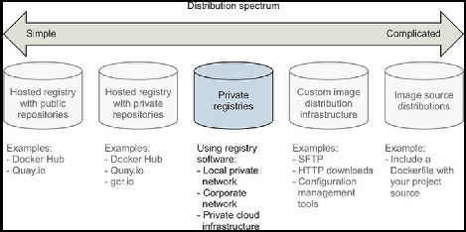
health checks | Health checks are used to determine whether the application running inside the container is ready and able to perform its function. There are two ways to specify the health check command: - Use a HEALTHCHECK instruction when defining the image - On the command-line when running a container
0: success— The container is healthy and ready for use. 1: unhealthy— The container is not working correctly. 2: reserved— Do not use this exit code. The || exit 1 is a bit of shell trickery that means or exit 1. This means whenever nc exits with any nonzero status, nc’s status will be converted to 1 so that Docker knows the container is unhealthy. | FROM nginx:1.13-alpine HEALTHCHECK --interval=5s --retries=2 CMD nc -vz -w 2 localhost 80 || exit 1
healthcheck with command line When a health check is defined, the docker ps command reports the container’s current health status in the STATUS column. | docker container run --name=healthcheck_ex -d --health-cmd='nc -vz -w 2 localhost 80 || exit 1' nginx:1.13-alpine docker ps --format 'table {{.Names}}\t{{.Image}}\t{{.Status}}'

Ch 9 Docker Registries and distribution
using private registries
create a dockerfile name Helloworld.df build the image login to dockerhub registry login to an alternate registry push the image | FROM busybox:latest CMD ehco 'Hello World!' docker image build -t muratkerem/hello-dockerfile -f Helloworld.df docker login -u muratkerem -p <pw> docker login -u muratkerem -p <pw> quay.io/muratkerem/hello-dockerfile docker push muratkerem/hello-dockerfile

custom infra structure

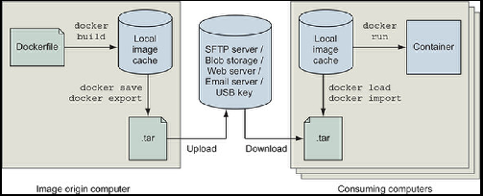
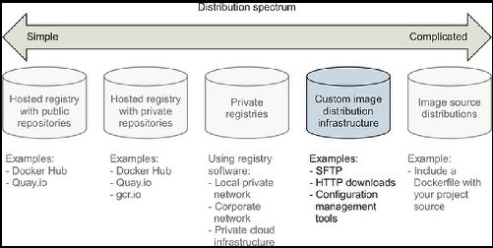

 | difference-between-save-and-export-in-docker
 | prefer export, because it is for images vs containers and the size is lesser

Ch 10 image pipelines

All-in-one pattern example (build with artifacts included) | (Java web server with Spring Boot framework) The Dockerfile builds a simple Java web server, and the application artifact is added to the image. The image definition finishes with an ENTRYPOINT that runs the service by invoking java with the application artifact built in the image.
 | FROM maven:3.6-jdk-11 ENV WORKDIR=/project RUN mkdir -p ${WORKDIR} COPY . ${WORKDIR} WORKDIR ${WORKDIR} RUN mvn -f pom.xml clean verify RUN cp ${WORKDIR}/target/ch10-0.1.0.jar /app.jar ENTRYPOINT ["java","-jar","/app.jar"]
build the image | docker build -t dockerinaction/ch10:all-in-one if all-in-one.df .

 | The All-in-One pattern can be improved by creating separate build and runtime images. In this approach, all of the application build and test tooling will be included in one image, and the other will contain only what the application requires at runtime.
you can build the application with a maven container | docker container run -it --rm -v "$(pwd)":/project/ -w /project/ maven:3.6-jdk-11 mvn clean verify

makefile for build process | https://www.gnu.org/software/make/manual/
 | https://github.com/dockerinaction/ch10_patterns-for-building-images/blob/master/Makefile
you can also lint your dockerfiles | https://github.com/hadolint/hadolint
verify the dockerfile | https://github.com/hadolint/hadolint

CH 11 Docker Services & Docker Compose
Docker services
enables the service abstraction (docker services are available in swarm mode) starts the server on localhost | docker swarm init docker service create --publish 8080:80 --name hello-world dockerinaction/ch11_service_hw:v1

if you remove a service with docker rm -f <id> , the orchestrator will revive it by nature, this is how services work, making sure at least 1 instance is available you can scale services up | docker service scale hello-world=3 docker container ps / docker service ps hello-world

updating a service | docker service update --image dockerinaction/ch11_service_hw:start-failure hello-world
rollback a service | docker service update --rollback hello-world
using condtional rollback on failure | docker service update --update-failure-action rollback --update-max-failure-ratio 0.6 --image dockerinaction/ch11_service_hw:start-failure hello-world
health checking services (after they are up and running) , in Dockerfile.. | HEALTHCHECK --interval=10s CMD ["/bin/httping"]
health check in cli | docker service update --update-failure-action rollback --image dockerinaction/ch11_service_hw:no-helath hello-world docker service update --health-cmd /bin/httping --health-interval 10s hello-world
clean up a service | docker service rm hello-world

Docker compose | provides a higher level abstraction for services by using declarative commands
docker-compose.yml file example | version: "3.7" services: hello-world: image: dockerinaction/ch11_service_hw:v1 ports: - 8080:80 deploy: replicas: 3
docker-compose.yml file with 3 services | version: "3.7" services: postgres: image: dockerinaction/postgres:11-alpine environment: POSTGRES_PASSWORD: example mariadb: image: dockerinaction/mariadb:10-bionic environment: MYSQL_ROOT_PASSWORD: example adminer: image: dockerinaction/adminer:4 ports: - 8080:8080 deploy: replicas: 3

Docker stack | a Docker stack is a named collection of services, volumes, networks, secrets, and configs.
you use a docker-compose yml file to create/update a stack | docker stack deploy -c databases.yml my-database
 | docker stack ps --format '{{.Name}}\t{{.CurrentState}}' my-databases
if you remove services from the docker-compose file, use prune flag | docker stack deploy -c databases.yml --prune my-database

using volumes | every time a stack runs and the container is replaced, a new volume is created. This causes problems for dbs that need stateful storage
using volumes for stateful docker compose | volumes: pgdata: # empty definition uses volume defaults services: postgres: image: dockerinaction/postgres:11-alpine volumes: - type: volume source: pgdata # The named volume above target: /var/lib/postgresql/data environment: POSTGRES_PASSWORD: example adminer: image: dockerinaction/adminer:4 ports: - 8080:8080 deploy: replicas: 1
you can also customize networks. Check 68% in the book for details

CH 12 configuration | https://github.com/dockerinaction/ch12_greetings

PLURALSIGHT DOCKER COURSE

Containers and Images
RUN A CONTAINER
 | docker run <nameOfImage>:<versionNumberOfImage> | docker run httpd:2.4
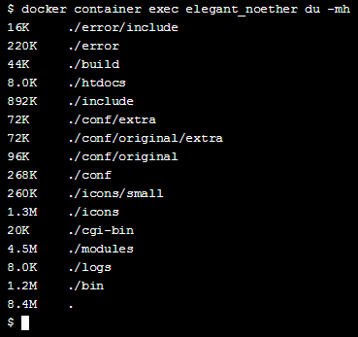
publish port (-p), open port on host, map it to port on container | docker run -p <hostPortToOpen>:<containerPortToMapTo> <nameOfImage>:<versionNumberOfImage> | docker run -p 80:80 httpd:2.4 docker run -p 9999:80 httpd:2.4

get help | docker help
 | docker help <command>

RUN COMMANDS AGAINST A RUNNING CONTAINER

execute (exec) disk usage (du) human readable format(-h) megabytes only(-m) | docker exec <containerName> du -mh | docker exec elegant_noether du -h
 | some more disk usage linux commands
 | https://www.tecmint.com/check-linux-disk-usage-of-files-and-directories/
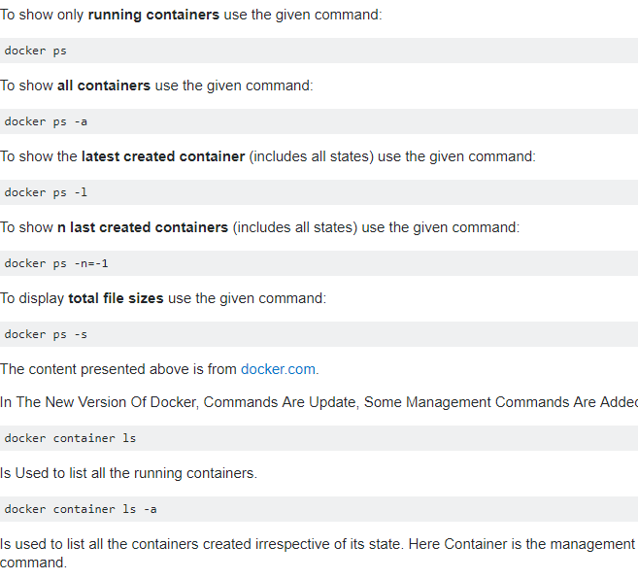
LIST containers LIST images | docker ps / docker container ls docker images | docker ps |  | To show only running containers use the given command: docker ps To show all containers use the given command: docker ps -a To show the latest created container (includes all states) use the given command: docker ps -l To show n last created containers (includes all states) use the given command: docker ps -n=-1 To display total file sizes use the given command: docker ps -s The content presented above is from docker.com. In The New Version Of Docker, Commands Are Update, Some Management Commands Are Added: docker container ls Is Used to list all the running containers. docker container ls -a Is used to list all the containers created irrespective of its state. Here Container is the management command.
KILL container | docker kill <container name> | docker kill naughty_meitner
RESTART a container | docker restart <container name>
get LOGS from the container | docker logs <container name> -f (optional follow flag)
STOP a container | docker stop <container name>

execute (exec) interactive:keep open (-i) allocate pseduo-TTY/shell (-t) the -it or -ti flags gives you an interactive tty/shell to the docker container, that stays open | docker container exec -it <containerName> <bashToAttach> | docker container exec -it elegant_noether /bin/bash | We are in the the container bash after this command

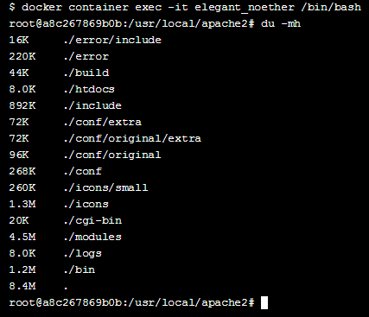
Once we are in the container's shell any commands we type will run inside the system | du -mh (this will do the same thing as row 12 command!)

install a package Advanced package tool (APT) cmd line tool to work with APT(apt-get) 'Yes' for any prompt apt-get generates (-y) | apt-get install -y <package> | apt-get install -y fortunes
update the environment variable in a container | (REPEAT LINE 26) docker container exec -it <containerName> <bashToAttach> | docker container exec -it elegant_noether /bin/bash
define the path | PATH=$PATH:<path> | PATH=$PATH:/usr/games/
save the path | export PATH | export PATH
test that it worked… |  | fortune

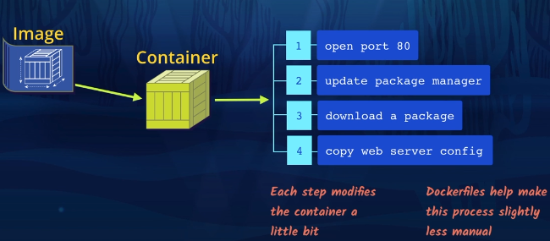
Dockerfile
A Dockerfile is like a batch that streamlines the configuration of the container ( ex: steps 1-4 in the pic)
We use a Dockerfile to customize the base image before creating the container.

CREATE A DOCKERFILE
first line of a Dockerfile | FROM <nameOfBaseImage>:<versionNumberOfImage> | FROM httpd:2.4
(every following line builds upon the first line)
expose the container port | EXPOSE <containerPortToExpose> | EXPOSE 80

in a Dockerfile the image is being pre-built to a Container, so we do not have to execute the container yet, as in line 13 : docker container exec <containerName>

apt-get update downloads the package lists from the repositories and "updates" them to get information on the newest versions of packages and their dependencies | RUN apt-get update | RUN apt-get update
(this is the same as line 39) install a package Advanced package tool (APT) cmd line tool to work with APT(apt-get) 'Yes' for any prompt apt-get generates (-y) | RUN apt-get install -y <package> | RUN apt-get install -y fortunes
we can also combine RUN commands | RUN <1st line> && <2nd line> | RUN apt-get update && apt-get install -y fortunes

LABEL accepts key="value" pairs it is used for comments and contact info etc. | LABEL key="value" | LABEL maintainer="moby-dock@example.com"

BUILD THE DOCKER IMAGE USING THE DOCKERFILE
now, build the Docker image --tag is for specifying the name and version the dot is so that it knows to look for the Dockerfile in the same folder that the command is run in | docker image build --tag <newImageName>:<version> . | docker image build --tag web-server:1.0 .
get a list of images on the pc | docker image ls | docker image ls
 | here we have the base image and the newly created image

CREATE A CONTAINER FROM THE IMAGE
 | we created the Dockerfile, we used a base image: specified the name and version of the base image
 | we exposed the port of the base image in the Dockerfile
 | then we got the most up to date packages needed for the new image
 | labelled the image
 | After the Dockerfile creation was done, we built the new image specifying a name and version for it
 | we could observe the base image (httpd) and new image (web-server)
then we RUN A CONTAINER using the new image name (like line 2, but for new image) | docker container run -p <hostPortToOpen>:<containerPortToMapTo> <nameOfNewImage>:<versionNumberOfNewImage> | docker container run -p 80:80 web-server:1.0

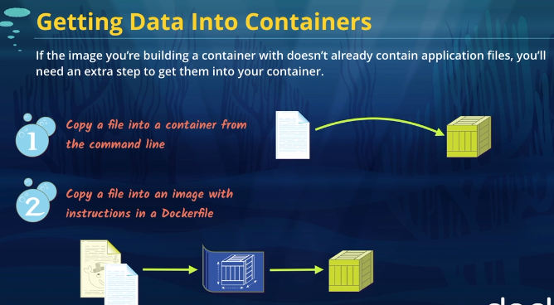
Getting the application files into the image

 | 2 ways of copying application files:

 | 1) copy to the Container
 | the problem is containers do not persist data

 | so we create a Data Volume on the Host machine, and these files on the host are exposed to the Container
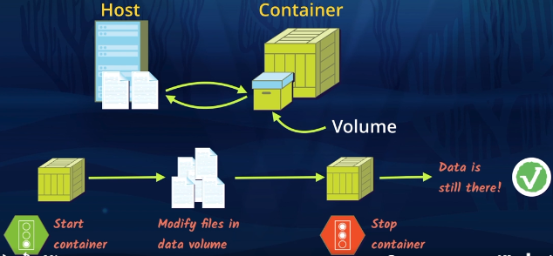

 | 2) copy to the Image, and it's there permanently

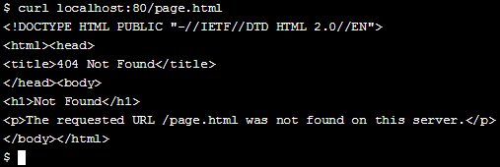
1) COPY FILES TO A RUNNING CONTAINER

run and execute the container created in the initial example elegant_noether
run a container (specify the imageName and version) execute the container | docker container run -p 80:80 httpd:2.4 docker container exec elegant_noether

confirm that the page.html file doesn't already exist in the container | curl localhost:<portID>/<pageFile> | curl localhost:80/page.html
copy host's page file to the container docker container cp (cp for copy operations) /usr/local/apache2/htdocs/ (default location for pageFile) | docker container cp <hostFileLocationToCopyFrom:pageFile> <containerID>:<pathInTheContainerToCopyTo> | docker container cp page.html elegant_noether:/usr/local/apache2/htdocs/
check that the copy worked | curl localhost:<portID>/<pageFile> | curl localhost:80/page.html

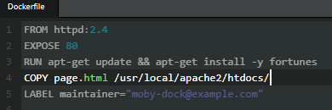
2) COPY FILES THROUGH THE DOCKERFILE | in contrast to the docker container cp approach, each new container we create with the custom image can have the file in it versus having to run the command-line command each time we make a new container.

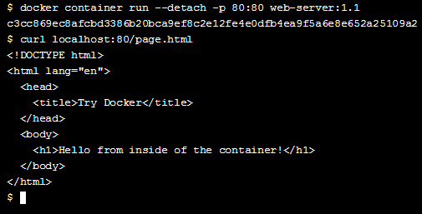
in the Dockerfile, add the COPY instruction | COPY <hostFileLocationToCopyFrom:pageFile> <pathInTheContainerToCopyTo> | COPY page.html /usr/local/apache2/htdocs/
build the Docker image | docker image build -t <newImageName>:<Version> . | docker image build -t web-server:1.1 . docker build -t test:latest
run the Container option to detach container to run in background (--detach) daemons/services usually run detached because no need for a terminal | docker container run --detach -p <hostPortToOpen>:<containerPortToMapTo> <nameOfImage>:<versionNumberOfImage> | docker container run --detach -p 80:80 webserver:1.1

check that the file is there | curl localhost:80/page.html | curl localhost:80/page.html

as soon as the container is modified and stopped, all of the changes disappear. This is a problem if we’re using a container for local development,
and one way to fix this problem is to use a data volume to create a connection between files on our local computer (host) and the

create a link between path in local machine and path in the container, also, run the container in the background
execute the docker binary /usr/bin/docker -d to start the daemon, so the container keeps running (-d), publish port (-p), map a directory to a directory (-v) | docker run -d -p <hostPortToOpen>:<containerPortToMapTo> -v <pathInLocalMachine>:<pathInTheContainerToHookTo> <imageName>:<ImageVersion> | docker run -d -p 80:80 -v /my-files:/usr/local/apache2/htdocs web-server:1.1

check what it looks like, get a shell in the container
execute (exec) interactive:keep open (-i) allocate pseduo-TTY/shell (-t) the -it or -ti flags gives you an interactive tty/shell to the docker container, that stays open | docker container exec -it <containerName> <bashToAttach> | docker container exec -it elegant_noether /bin/bash | We are in the the container bash after this command

change directory to the path we're checking | cd <path...> | cd /usr/local/apache2/htdocs
check that the container thinks the host files are in it list the files (-ls) show the permissions of each file/directory (-l) include hidden files (-a) | ls -la

